SUMMARY
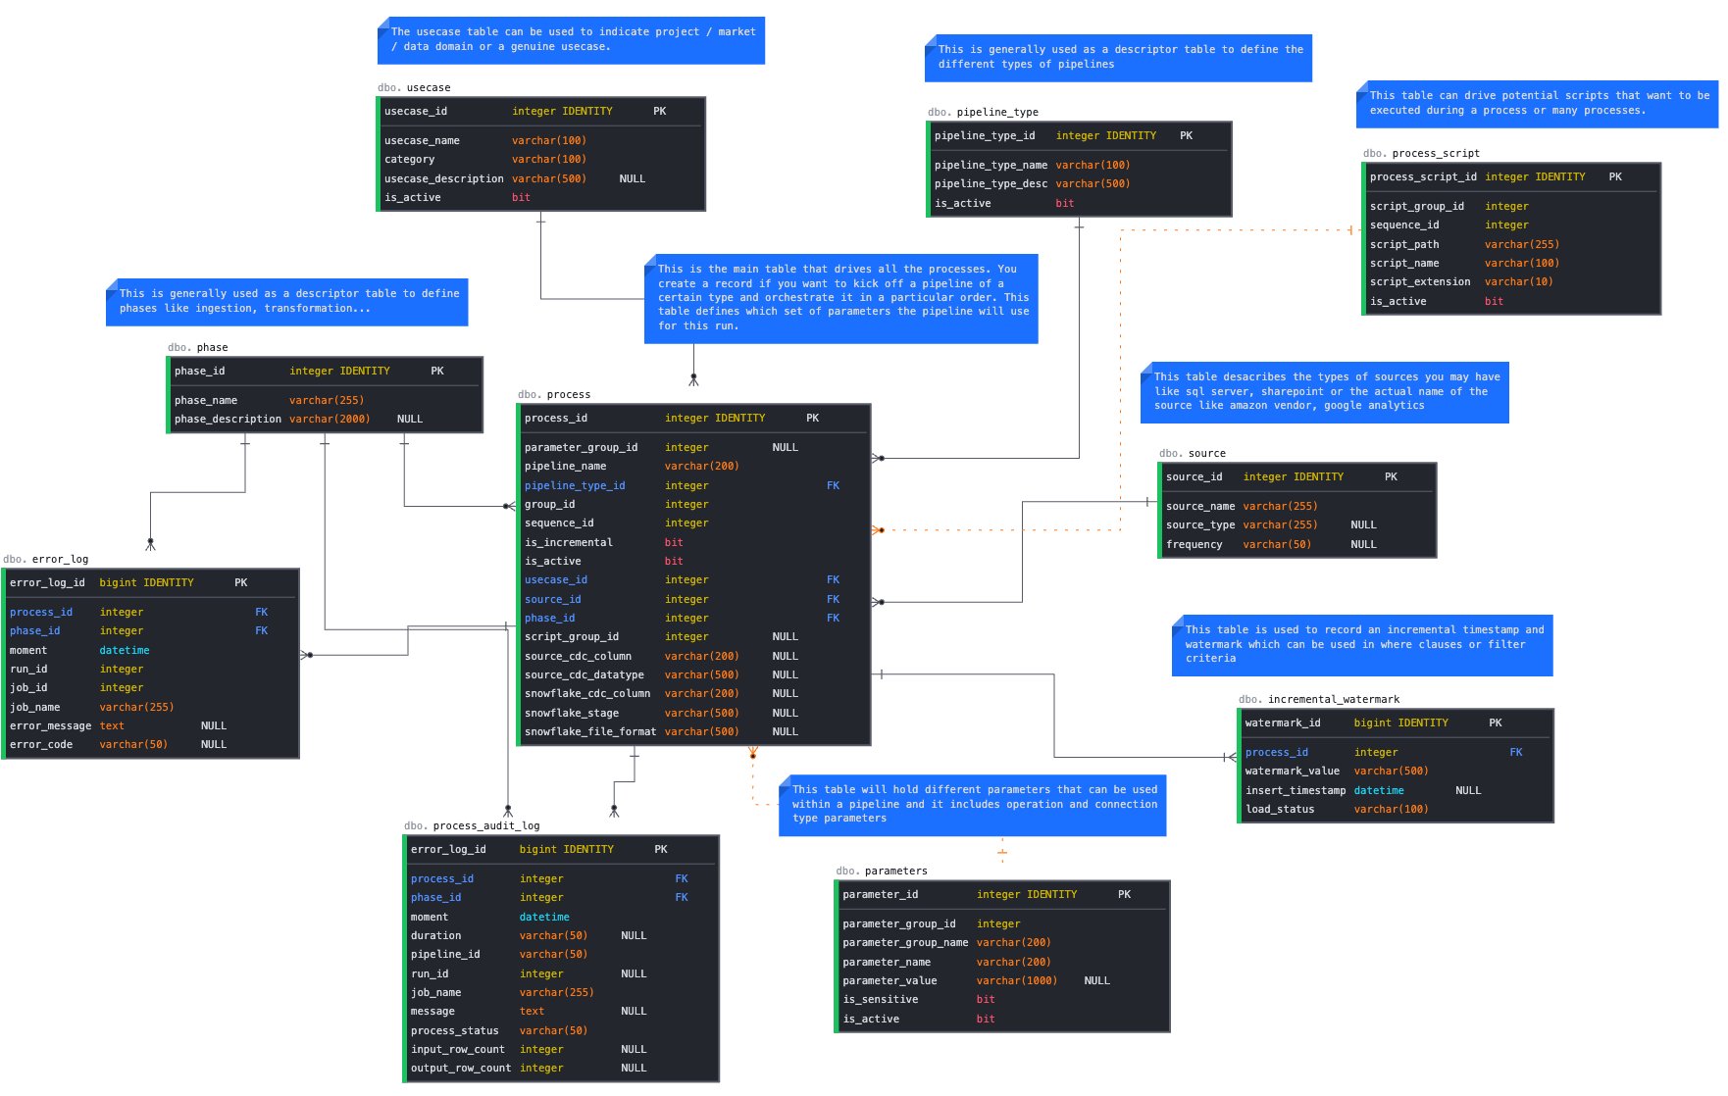
metadata table name
SOURCE
USECASE
PHASE
PROCESS
PROCESS_SCRIPT
PARAMETERS | METADATA FRAMEWORK
INCREMENTAL_WATERMARK
PIPELINE_TYPE

